1. Title Page
Grocery Basket Analysis

Project Name: Instacart Basket Analysis
Date: 07/03/2025
Analyst Name: Catherine Simmons
 |  | Contents:
 |  | Population Flow
 |  | Consistency checks
 |  | Wrangling steps
 |  | Column derivations
 |  | Visualizations
 |  | Recommendations

Key Questions addressed:
1 | What are the busiest days of the week and hours of the day? (i.e., the days and times with the most orders, in order to schedule ads at times when there are fewer orders)
2 | Are there particular times of the day when people spend the most money? (This might inform the type of products advertised at these times.)
3 | Can we develop simpler price range groupings to help direct efforts of marketing and sales departments?
4 | Which departments have the highest frequency of product orders?
5 | What's the distribution of users in regards to their brand loyalty? (ie how often do they return to Instacart?)
6 | Are there differences in ordering habits based on a customer’s loyalty status?
7 | Are there differences in ordering habits based on a customer’s region?
8 | Is there a connection between age and family status in terms of ordering habits?
9 | What different classifications does the demographic information suggest? Age? Income? Certain types of goods? Family status?
10 | What differences can you find in ordering habits of different customer profiles? Consider the price of orders, the frequency of orders, the products customers are ordering and anything else you can think of.

Data citation:
“The Instacart Online Grocery Shopping Dataset 2017”, Accessed from www.instacart.com/datasets/grocery-shopping-2017 via Kaggle on 6th February 2025
Prices' column and 'customer' dataset both created by CareerFoundry for the purposes of the assignment

2. Population Flow
Population flow

Exclusion flag
Condition: max_order < 5
Obervations to be removed: 1440251
Final total count of order_products_all: 30963910

Orders_products_combined
Orders_products_merged
Orders_products_all

Total: 32404161
Total: 32434489
Total: 32404161

1.) The grey boxes in the first row of the population flow represent the original data sets as they were when you downloaded them. In the Total fields you need to add the count of the rows when you imported the data set into Jupyter.
2.) The second row of boxes (coloured) represents the data sets after you manipulated them, e.g., removed missing values and duplicates. In the Total fields you need to add the count of the rows after conducting these operations. This offers a visual oveview of how the data flows throughout the data consistency checks.
3.) The third row, where also the arrows are coloured, represents the merges you performed between the datasets. In the Total fields you need to add the count of the rows in the merged datasets, so that you end up with the final dataset (in the red box). Keep in mind the final dataset should be without exclusions (based on the exclusion flag).

3. Consistency checks
 |  |  |  |  |  | Title page
Consistency checks

Dataset | Missing values | Missing values treatment | Duplicates | Other issues | Other issues treatment
orders | 206209 missing days_since_prior_order | left as are since they are all first orders | no duplicates found
products | 16 missing product_names | removed | 5 duplicate rows removed | Prices values 99999 and 14900 | 99999 row removed; 14900 updated to 14.9
orders_products_prior | 0 missing values |  | no duplicates found
customers | 0 missing values |  | no duplicates found | first_name was mixed-type | Converted to string/object

4. Wrangling steps
Wrangling steps

Columns dropped | Columns renamed | Columns' type changed | Comment/Reason
orders[eval_set] |  |  | not needed - all one value
 | orders_dow renamed as orders_day_of_week |  | for clarity and for consistency with orders_hour_of_day
 | First name --> first_name |  | in customer dataset, for consistency
 | Surnam --> surname |  | in customer dataset, for consistency
 | Gender --> gender |  | in customer dataset, for consistency
 | STATE --> state |  | in customer dataset, for consistency
 | Age --> age |  | in customer dataset, for consistency
 |  | customer['first_name'] | was mixed type - changed to string

5. Column derivations
Column derivations and aggregations

Dataset | New column | Column/s it was derived from | Conditions
orders_products_merged | price_range_loc | prices | price>15: High-range product 5<price<=15: Mid-range product price<=5: Low-range product
orders_products_merged | busiest_day | order_day_of_week | 0 (Saturday): Busiest day 4 (Wednesday): Least busy all other days: Regularly busy
orders_products_merged | busiest_days | order_day_of_week | 0, 1 (Sat, Sun): Busy day 3, 4 (Tue, Wed): Slow day Mon, Thu, Fri: Regular day
orders_products_merged | busiest_period_of_day | order_hour_of_day | 10am - 4pm: Most orders (>2.6m) 1am - 6am: Fewest orders (<0.12m) all other times: Average orders
orders_products_merged | max_order | order_number | max order number for each user
orders_products_merged | loyalty_flag | max_order | max order number > 40: Loyal customer 10<=max_order<40: Regular customer max order number <=10: New customer
orders_products_merged | av_item_spend | prices | mean price per item for each user
orders_products_merged | spend_level | av_item_spend | mean price per item >= 10: High spender mean price per item < 10: Low spender
orders_products_merged | median_days_since_prior_order | days_since_prior_order | median space between orders for each user
orders_products_merged | order_frequency | median_days_since_prior_order | median <=10: Frequent customer 10<median<=20: Regular customer median >20: Non-frequent customer

price_range_loc
Mid-range product | 21865289
Low-range product | 10126321
High-range product | 412551
Name: count, dtype: int64

busiest_day
Regularly busy | 22416355
Busiest day | 6204090
Least busy | 3783716
Name: count, dtype: int64

busiest_days
Regular day | 12915807
Busy day | 11864189
Slow day | 7624165
Name: count, dtype: int64

busiest_period_of_day
Most orders | 16128327
Average orders | 15898282
Fewest orders | 377552
Name: count, dtype: int64

loyalty_flag
Regular customer | 15876363
Loyal customer | 10284010
New customer | 6243788
Name: count, dtype: int64

spend_level
Low spender | 32284201
High spender | 119960
Name: count, dtype: int64

order_frequency
Frequent customer | 21559380
Regular customer | 7208433
Non-frequent customer | 3636343
Not enough data | 5 | Customers with only one order
Name: count, dtype: int64

6. Visualisations
Visualisations

Key questions from the project brief |  | Visualisations |  | Commentary
1 | What are the busiest days of the week and hours of the day? (i.e., the days and times with the most orders, in order to schedule ads at times when there are fewer orders) | 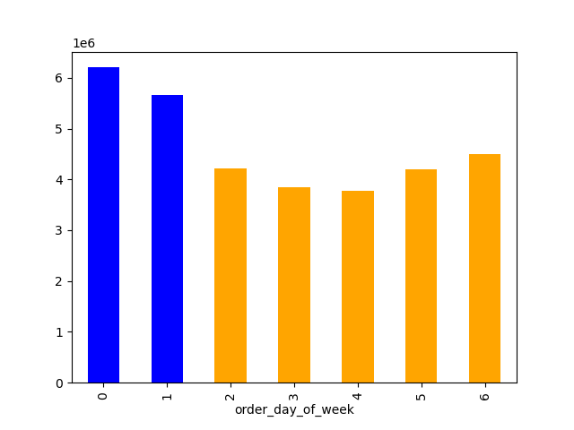 Bar chart showing number of orders for each day of the week (blue represents weekend) |  Histogram showing number of orders for each hour of the day | The first chart shows that Saturday is the busiest day, followed by Sunday. Of the weekdays, Fridays is the busiest and Tuesday and Wednesday are least busy. The histogram shows that almost no orders are placed between midnight and 7am, but that the majority of orders are placed between 9am and 3pm.
2 | Are there particular times of the day when people spend the most money? (This might inform the type of products advertised at these times.) | 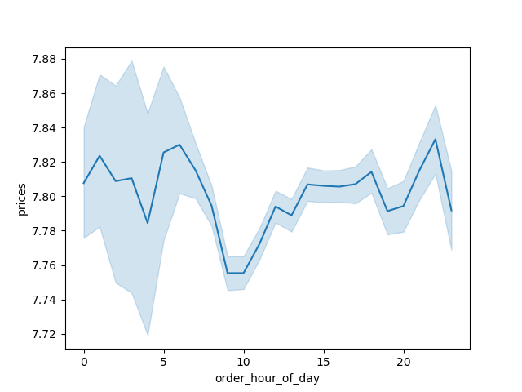 Line graph showing amount spent at different times of day | The line chart shows high variability in the amount spent between midnight and 6am. This is likely to be at least in part down to the low number of orders at this time. Around 10am, people spend the least and the amount spent increases, hitting a peak in the late evening.
3 | Can we develop simpler price range groupings to help direct efforts of marketing and sales departments? | 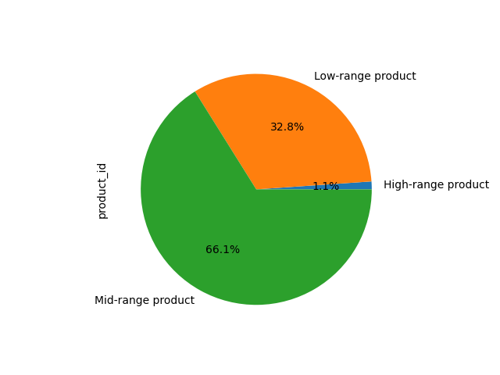 How many of Instacart's products are low, mid or high range? | The following groupings were created: Low-range product: Products priced $5 or under Mid-range product: Products priced $15 or under, but more than $5 High-range product: Products priced over $15 The pie chart clearly shows that about a third of our products are low-range, the majority are mid-range and around 1% (just over 500 products) are high-range. These groupings will be used in analysis of subsequent key questions below.
4 | Which departments have the highest frequency of product orders? | 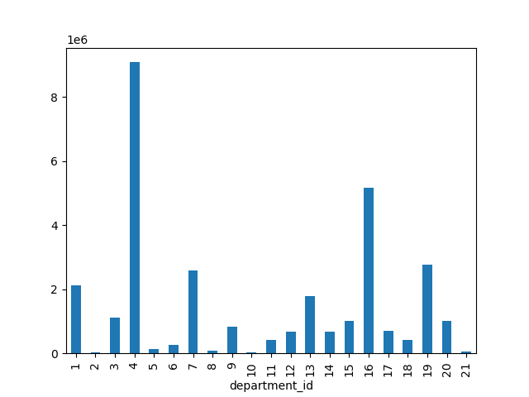 Frequency of orders by department |  | Produce is the most ordered-from department, followed by "dairy eggs", snacks, beverages and frozen.
5 | What's the distribution of users in regards to their brand loyalty? (ie how often do they return to Instacart?) | 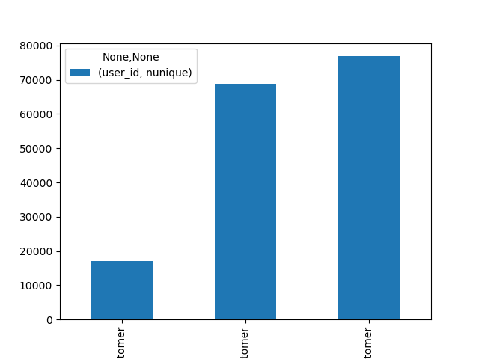 Bar chart showing how many loyal, new and regular customers Instacart has | We have about 20,000 loyal customers and about 70,000 new customers
6 | Are there differences in ordering habits based on a customer’s loyalty status? | 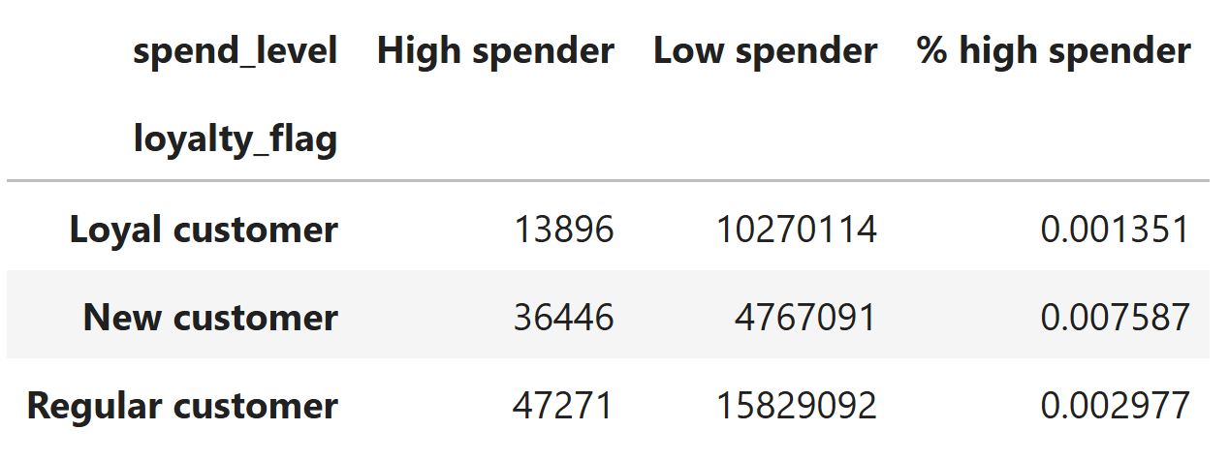 | The proportion of high spenders among the new customers is over five times as large as the equivalent proportion among loyal customers.
7 | Are there differences in ordering habits based on a customer’s region? | 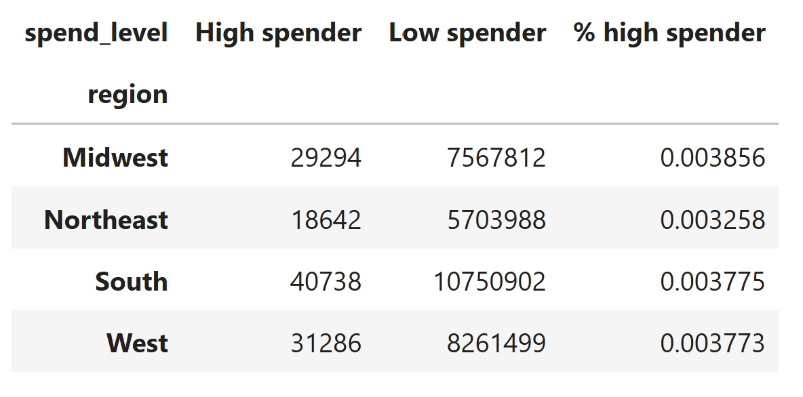 | There is a slightly higher proportion of high-spending customers in the Midwest than the South or West, and the Northeast region has the lowest proportion of high spenders. However, these differences are not great.
8 | Is there a connection between age and family status in terms of ordering habits? | 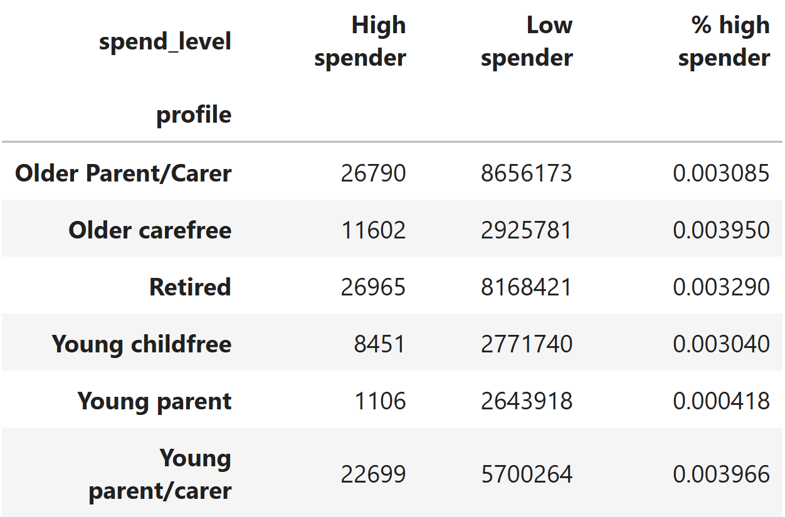 | Young parents are a tenth as likely to be high spenders as the other profile groups. Young parent/carers are the most likely to be high spenders, followed by older carefree. It is possible that Young parent/carers are at the stage of life of needing to purchase expensive items to set up home. Older carefree are more likely to be spending on 'wants' rather than 'needs' but could also be purchasing replacement items
9 | What different classifications does the demographic information suggest? Age? Income? Certain types of goods? Family status? | 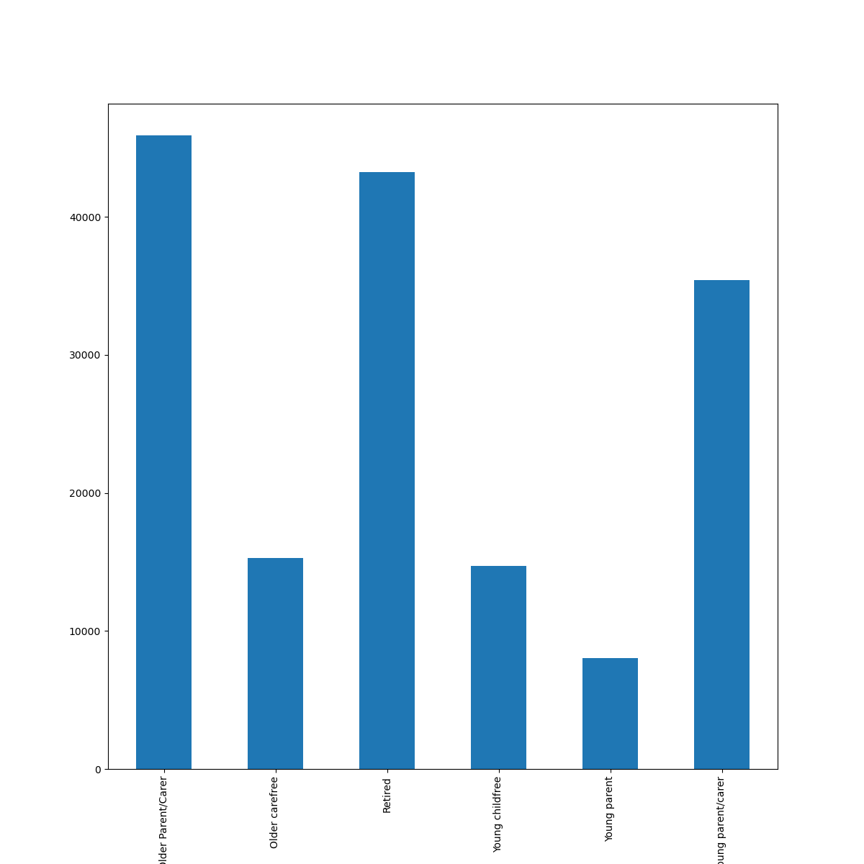 How many of Instacart's users are in each profile group? | A large proportion of our customers are retired or have dependents.
10 | What differences can you find in ordering habits of different customer profiles? Consider the price of orders, the frequency of orders, the products customers are ordering and anything else you can think of. | 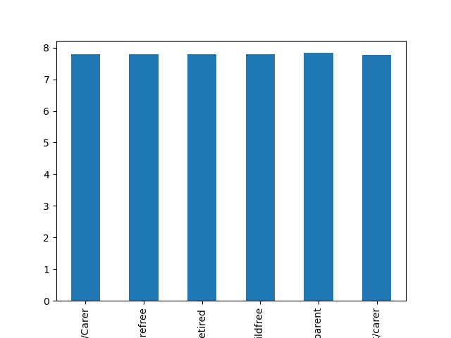 No significant difference in average item spend across the profile groups | 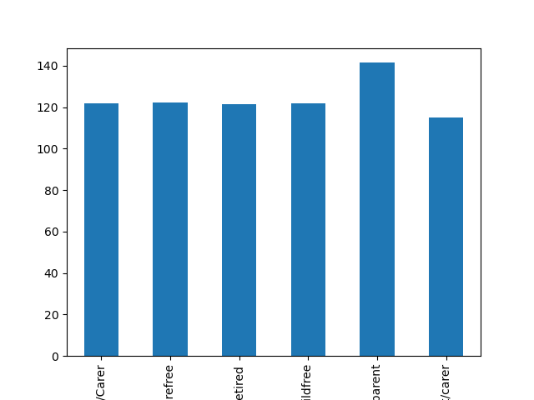 Young parents have the most expensive orders; other young people with dependents have the least. | 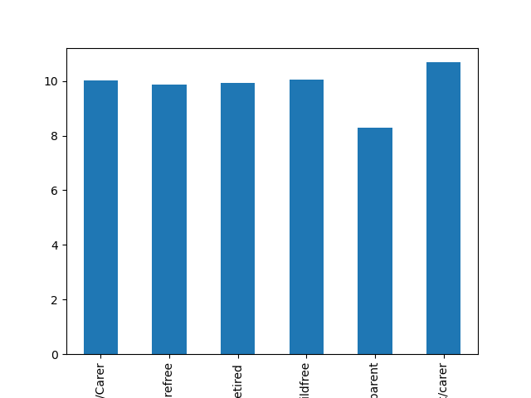 Young parents order the most frequently; other young people with dependents order least frequently.
 |  | 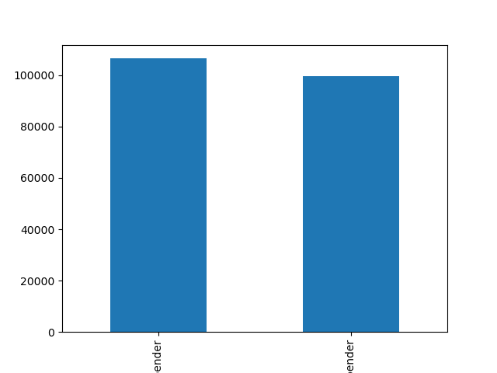 Spender category and average income: high spenders have higher income on average | 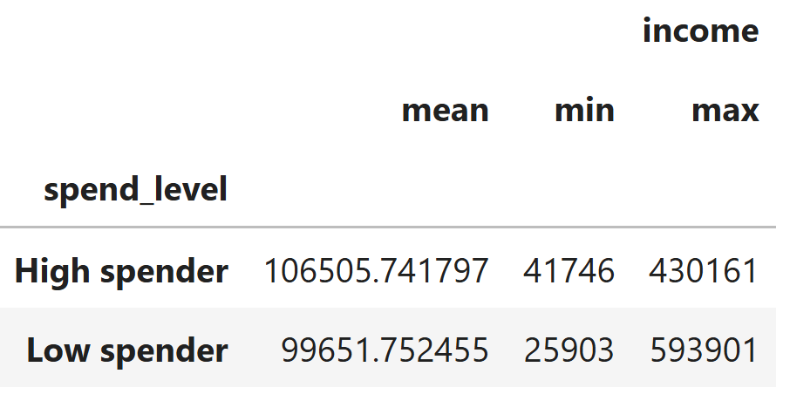 Spender categories and income: min follows same pattern as mean, but max does not.

7. Recommendations
Recommendations

Question |  | Recommendation | Justification
1 | What are the busiest days of the week and hours of the day? (i.e., the days and times with the most orders, in order to schedule ads at times when there are fewer orders) | Schedule ads on Tuesdays and Wednesdays and in the evenings.
2 | Are there particular times of the day when people spend the most money? (This might inform the type of products advertised at these times.) | People spend more money between 1pm and 5pm than in the mornings and at around 9pm than earlier in the evening. Recommend advertising more expensive products between 1pm and 5pm and at around 9pm.
3 | Can we develop simpler price range groupings to help direct efforts of marketing and sales departments?
4 | Which departments have the highest frequency of product orders? | Produce is the most ordered-from department, followed by "dairy eggs", snacks, beverages and frozen.
5 | What's the distribution of users in regards to their brand loyalty? (ie how often do they return to Instacart?) | We have about 20,000 loyal customers and about 70,000 new customers. Recommend marketing to our new customers to try to convert them into loyal customers.
6 | Are there differences in ordering habits based on a customer’s loyalty status? | The proportion of high spenders among the new customers is over five times as large as the equivalent proportion among loyal customers. Recommend advertising expensive products to new customers.
7 | Are there differences in ordering habits based on a customer’s region? | Yes, but not siginificant
8 | Is there a connection between age and family status in terms of ordering habits? | Young parents are a tenth as likely to be high spenders as the other profile groups. Young parent/carers are the most likely to be high spenders, followed by older carefree. It is possible that Young parent/carers are at the stage of life of needing to purchase expensive items to set up home. Older carefree are more likely to be spending on 'wants' rather than 'needs' but could also be purchasing replacement items. Recommend advertising expensive products to young parent/carers and older carefree groups.
9 | What different classifications does the demographic information suggest? Age? Income? Certain types of goods? Family status?
10 | What differences can you find in ordering habits of different customer profiles? Consider the price of orders, the frequency of orders, the products customers are ordering and anything else you can think of. | Recommend advertising more expensive products (over $15) to those with income over $100,000.

